Flow
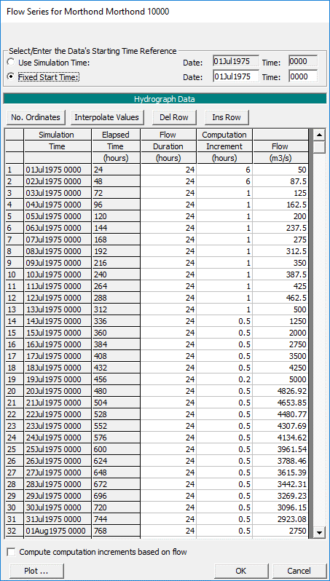
 | Q (m3/s)
1-Jul-75 | 50
2-Jul-75 | 88
3-Jul-75 | 125
4-Jul-75 | 163
5-Jul-75 | 200
6-Jul-75 | 238
7-Jul-75 | 275
8-Jul-75 | 313
9-Jul-75 | 350
10-Jul-75 | 388
11-Jul-75 | 425
12-Jul-75 | 463
13-Jul-75 | 500
14-Jul-75 | 1250
15-Jul-75 | 2000
16-Jul-75 | 2750
17-Jul-75 | 3500
18-Jul-75 | 4250
19-Jul-75 | 5000
20-Jul-75 | 4827
21-Jul-75 | 4654
22-Jul-75 | 4481
23-Jul-75 | 4308
24-Jul-75 | 4135
25-Jul-75 | 3962
26-Jul-75 | 3788
27-Jul-75 | 3615
28-Jul-75 | 3442
29-Jul-75 | 3269
30-Jul-75 | 3096
31-Jul-75 | 2923
1-Aug-75 | 2750
2-Aug-75 | 2577
3-Aug-75 | 2404
4-Aug-75 | 2231
5-Aug-75 | 2058
6-Aug-75 | 1885
7-Aug-75 | 1712
8-Aug-75 | 1538
9-Aug-75 | 1365
10-Aug-75 | 1192
11-Aug-75 | 1019
12-Aug-75 | 846
13-Aug-75 | 673
14-Aug-75 | 500
15-Aug-75 | 492
16-Aug-75 | 484
17-Aug-75 | 475
18-Aug-75 | 467
19-Aug-75 | 459
20-Aug-75 | 451
21-Aug-75 | 443
22-Aug-75 | 435
23-Aug-75 | 426
24-Aug-75 | 418
25-Aug-75 | 410
26-Aug-75 | 402
27-Aug-75 | 394
28-Aug-75 | 385
29-Aug-75 | 377
30-Aug-75 | 369
31-Aug-75 | 361
1-Sep-75 | 353
2-Sep-75 | 345
3-Sep-75 | 336
4-Sep-75 | 328
5-Sep-75 | 320
6-Sep-75 | 312
7-Sep-75 | 304
8-Sep-75 | 295
9-Sep-75 | 287
10-Sep-75 | 279
11-Sep-75 | 271
12-Sep-75 | 263
13-Sep-75 | 255
14-Sep-75 | 246
15-Sep-75 | 238
16-Sep-75 | 230
17-Sep-75 | 222
18-Sep-75 | 214
19-Sep-75 | 205
20-Sep-75 | 197
21-Sep-75 | 189
22-Sep-75 | 181
23-Sep-75 | 173
24-Sep-75 | 165
25-Sep-75 | 156
26-Sep-75 | 148
27-Sep-75 | 140
28-Sep-75 | 132
29-Sep-75 | 124
30-Sep-75 | 115
1-Oct-75 | 107
2-Oct-75 | 99
3-Oct-75 | 91
4-Oct-75 | 83
5-Oct-75 | 75
6-Oct-75 | 66
7-Oct-75 | 58
8-Oct-75 | 50

Bed Sediment
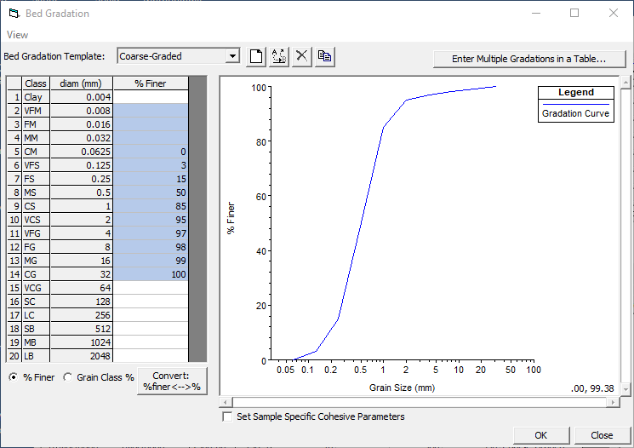
 | %Finer
0.004
0.008
0.016
0.032
0.0625 | 0
0.125 | 3
0.25 | 15
0.5 | 50
1 | 85
2 | 95
4 | 97
8 | 98
16 | 99
32 | 100
Size | %Finer
0.004
0.008
0.016
0.032
0.0625 | 0
0.125 | 3
0.25 | 15
0.5 | 50
1 | 85
2 | 95
4 | 97
8 | 98
16 | 99
32 | 100

Sediment Flux Boundary Conditon
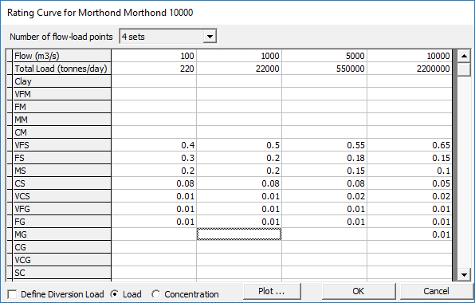
Flow (cfs) | 100 | 1000 | 5000 | 10000
Load (tons) | 220 | 22000 | 550000 | 2200000 | Qs=0.022*Q2.0
Clay
VFM
FM
MM
CM
VFS | 0.4 | 0.5 | 0.55 | 0.65
FS | 0.3 | 0.2 | 0.18 | 0.15
MS | 0.2 | 0.2 | 0.15 | 0.1
CS | 0.08 | 0.08 | 0.08 | 0.05
VCS | 0.01 | 0.01 | 0.02 | 0.02
VFG | 0.01 | 0.01 | 0.01 | 0.01
FG | 0.01 | 0.01 | 0.01 | 0.01
MG |  |  |  | 0.01
CG

See Gibson and Cai (2017) Flow Dependence of Suspended Sediment Gradations, Water Resources Research, DOI: 10.1002/2016WR020135
 | https://agupubs.onlinelibrary.wiley.com/doi/abs/10.1002/2016WR020135
 | https://www.researchgate.net/publication/319857228_Flow_Dependence_of_Suspended_Sediment_Gradations

Other
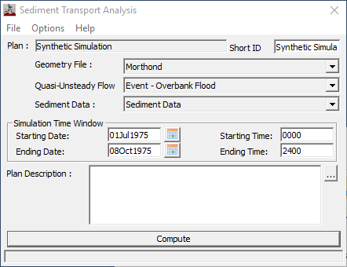
Downstream Boundary
 | Normal Depth | 0.0003

Temperature
 | 15 | oC

Concentration Calibration
 | Simulated |  | Observed
50 | 50.127 | 30 | 30
87.5 | 64.627 | 35 | 30
125 | 84.652 | 55 | 45
162.5 | 75.858 | 60 | 40
200 | 90.725 | 60 | 35
237.5 | 130.763 | 70 | 50
275 | 144.479 | 90 | 75
312.5 | 172.925 | 100 | 45
350 | 179.336 | 120 | 90
387.5 | 184.926 | 220 | 85
425 | 188.397 | 390 | 85
462.5 | 193.33 | 400 | 130
500 | 200.071 | 670 | 250
1250 | 347.235 | 1200 | 200
2000 | 508.759 | 2400 | 300
2750 | 625.419 | 2600 | 250
3499.998 | 722.75 | 3300 | 310
4249.998 | 850.662
4999.998 | 960.759
4826.92 | 1013.975
4653.85 | 1027.857
4480.769 | 1029.979
4307.688 | 1005.239
4134.618 | 969.583
3961.54 | 937.331
3788.459 | 908.364
3615.389 | 885.462
3442.308 | 863.71
3269.23 | 837.422
3096.149 | 812.217
2923.079 | 785.607
2750 | 758.047
2576.919 | 725.009
2403.849 | 690.417
2230.77 | 652.13
2057.689 | 609.857
1884.62 | 565.145
1711.539 | 519.188
1538.46 | 475.314
1365.39 | 434.112
1192.31 | 393.56
1019.23 | 357.887
846.15 | 325.576
673.08 | 285.983
500 | 246.222
491.82 | 235.14
483.64 | 224.655
475.45 | 218.7
467.27 | 214.796
459.09 | 212.574
...
Simulation
 | Flow | Concentration | Observed
 | m3/s | mg/L | Flow | Load
7/2/75 | 50 | 50.127 | 30 | 30
7/3/75 | 87.5 | 64.627 | 35 | 30
7/4/75 | 125 | 84.652 | 55 | 45
7/5/75 | 162.5 | 75.858 | 60 | 40
7/6/75 | 200 | 90.725 | 60 | 35
7/7/75 | 237.5 | 130.763 | 70 | 50
7/8/75 | 275 | 144.479 | 90 | 75
7/9/75 | 312.5 | 172.925 | 100 | 45
7/10/75 | 350 | 179.336 | 120 | 90
7/11/75 | 387.5 | 184.926 | 220 | 85
7/12/75 | 425 | 188.397 | 390 | 85
7/13/75 | 462.5 | 193.33 | 400 | 130
7/14/75 | 500 | 200.071 | 670 | 250
7/15/75 | 1250 | 347.235 | 1200 | 200
7/16/75 | 2000 | 508.759 | 2400 | 300
7/17/75 | 2750 | 625.419 | 2600 | 250
7/18/75 | 3499.998 | 722.75 | 3300 | 310
7/19/75 | 4249.998 | 850.662
 | Simulated
50 | 50.127 | 30 | 30
87.5 | 64.627 | 35 | 30
125 | 84.652 | 55 | 45
162.5 | 75.858 | 60 | 40
200 | 90.725 | 60 | 35
237.5 | 130.763 | 70 | 50
275 | 144.479 | 90 | 75
312.5 | 172.925 | 100 | 45
350 | 179.336 | 120 | 90
387.5 | 184.926 | 220 | 85
425 | 188.397 | 390 | 85
462.5 | 193.33 | 400 | 130
500 | 200.071 | 670 | 250
1250 | 347.235 | 1200 | 200
2000 | 508.759 | 2400 | 300
2750 | 625.419 | 2600 | 250
3499.998 | 722.75
4249.998 | 850.662
4999.998 | 960.759
4826.92 | 1013.975
4653.85 | 1027.857
4480.769 | 1029.979
4307.688 | 1005.239
4134.618 | 969.583
3961.54 | 937.331
3788.459 | 908.364
3615.389 | 885.462
3442.308 | 863.71
3269.23 | 837.422
3096.149 | 812.217
2923.079 | 785.607
2750 | 758.047
2576.919 | 725.009
2403.849 | 690.417
2230.77 | 652.13
2057.689 | 609.857
1884.62 | 565.145
1711.539 | 519.188
1538.46 | 475.314
1365.39 | 434.112
1192.31 | 393.56
1019.23 | 357.887
846.15 | 325.576
673.08 | 285.983
500 | 246.222
491.82 | 235.14
483.64 | 224.655
475.45 | 218.7
467.27 | 214.796
459.09 | 212.574
...
7/20/75 | 4999.998 | 960.759
7/21/75 | 4826.92 | 1013.975
7/22/75 | 4653.85 | 1027.857
7/23/75 | 4480.769 | 1029.979
7/24/75 | 4307.688 | 1005.239
7/25/75 | 4134.618 | 969.583
7/26/75 | 3961.54 | 937.331
7/27/75 | 3788.459 | 908.364
7/28/75 | 3615.389 | 885.462
7/29/75 | 3442.308 | 863.71
7/30/75 | 3269.23 | 837.422
7/31/75 | 3096.149 | 812.217
8/1/75 | 2923.079 | 785.607
8/2/75 | 2750 | 758.047
8/3/75 | 2576.919 | 725.009
8/4/75 | 2403.849 | 690.417
8/5/75 | 2230.77 | 652.13
8/6/75 | 2057.689 | 609.857
8/7/75 | 1884.62 | 565.145
8/8/75 | 1711.539 | 519.188
8/9/75 | 1538.46 | 475.314
8/10/75 | 1365.39 | 434.112
8/11/75 | 1192.31 | 393.56
8/12/75 | 1019.23 | 357.887
8/13/75 | 846.15 | 325.576
8/14/75 | 673.08 | 285.983
8/15/75 | 500 | 246.222
8/16/75 | 491.82 | 235.14
8/17/75 | 483.64 | 224.655
8/18/75 | 475.45 | 218.7
8/19/75 | 467.27 | 214.796
8/20/75 | 459.09 | 212.574
8/21/75 | 450.91 | 209.538
8/22/75 | 442.73 | 207.867
8/23/75 | 434.55 | 205.577
8/24/75 | 426.36 | 202.714
8/25/75 | 418.18 | 200.608
8/26/75 | 410 | 196.954
8/27/75 | 401.82 | 194
8/28/75 | 393.64 | 190.335
8/29/75 | 385.45 | 186.118
8/30/75 | 377.27 | 182.913
8/31/75 | 369.09 | 179.388
9/1/75 | 360.91 | 175.887
9/2/75 | 352.73 | 171.654
9/3/75 | 344.55 | 168.18
9/4/75 | 336.36 | 164.908
9/5/75 | 328.18 | 161.81
9/6/75 | 320 | 159.458
9/7/75 | 311.82 | 156.193
9/8/75 | 303.64 | 152.953
9/9/75 | 295.45 | 164.414
9/10/75 | 287.27 | 155.036
9/11/75 | 279.09 | 151.213
9/12/75 | 270.91 | 156.579
9/13/75 | 262.73 | 167.969
9/14/75 | 254.55 | 144.122
9/15/75 | 246.36 | 161.99
9/16/75 | 238.18 | 143.121
9/17/75 | 230 | 118.776
9/18/75 | 221.82 | 133.172
9/19/75 | 213.64 | 117.572
9/20/75 | 205.45 | 119.803
9/21/75 | 197.27 | 116.943
9/22/75 | 189.09 | 104.635
9/23/75 | 180.91 | 110.399
9/24/75 | 172.73 | 105.194
9/25/75 | 164.55 | 110.51
9/26/75 | 156.36 | 97.727
9/27/75 | 148.18 | 148.552
9/28/75 | 140 | 114.229
9/29/75 | 131.82 | 101.75
9/30/75 | 123.64 | 94.315
10/1/75 | 115.45 | 111.291
10/2/75 | 107.27 | 103.045
10/3/75 | 99.09 | 106.241
10/4/75 | 90.91 | 105.509
10/5/75 | 82.73 | 91.795
10/6/75 | 74.55 | 84.326
10/7/75 | 66.36 | 76.717
10/8/75 | 58.18 | 72.973
10/9/75 | 50 | 63.484

